Relationship between documents
Relationship between documents in DP site and documents for TypeA project

DP Site Documents
Documents for TypeA Project

Documents for TypeA summarize the information needed for TypeA project based on the documents on the DP site.
Please refer to DP site documents for the latest ServiceNow guidelines.
 | Fujitsu Developers Platform User Guide
 | https://fujitsu.sharepoint.com/sites/jp-dp-portal/SitePages/guide.aspx

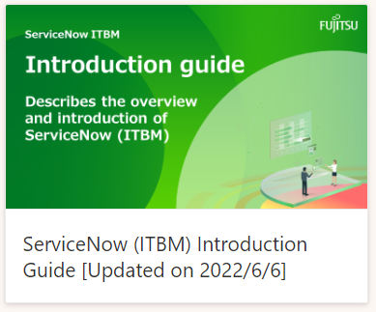
[Excel]
Type A Project DP reparation Guide (Japanese only)
[Excel]
DP Preparation
Confirmation
(Japanese only)
[Excel]
Document Relationship
[This document]

Provides DP preparation work for Type A projects.
For reviewing the contents to be entered in advance for Type A
The relationship between documents in DP site and documents for TypeA

 |  | Introduction Guide

[Excel]
Type A Project Operation Protocol
[ppt]
Type A Project Structure
[Excel]
PJ Basic Information Sheet
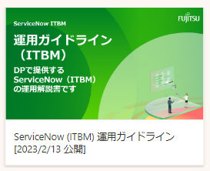

Definition of project structure and completion rate
Description of the concept of data structure when registering a Type A project with ServiceNow
Review basic information for Type A project in advance.

 |  | Operational Guidelines(Japanese Only)

[Excel]
Type A PJ
ServiceNow Utilization Guide (Developer edition)
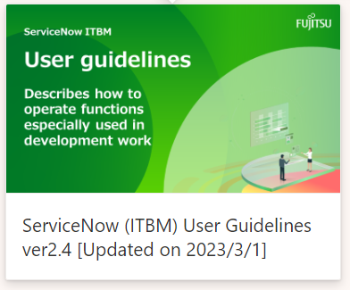
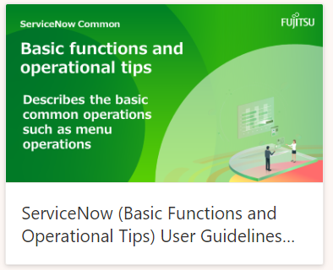
[Excel]
Type A PJ ServiceNow Utilization Guide (PM edition)
[Excel]
Type A PJ
ServiceNow Utilization Guide
(Progress Report and Furikaeri)

Guidelines for Type A project PM.
Guidelines for Type A project developers.
Guidelines for progress report and furikaeri in Type A project.

 |  | User Guidelines |  | Basic functions and operational tips

 |  | ■use support tool (Japanese only)
 |  | URL
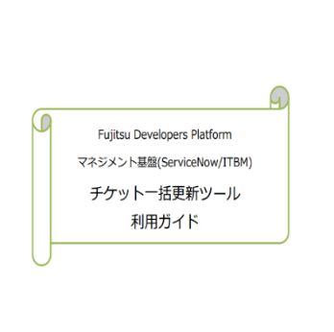
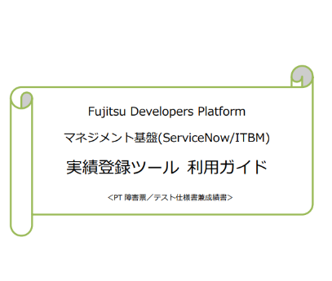
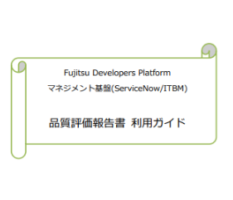

 | < Ticket Update Tool > |  |  |  | < Quality Assessment Report Tool >
 |  |  | < Result Registration Tool(Test Specification, PT Bug Report) >

